Headcount
CPR Program of Study Report
CAÑADA: THEATRE ARTS
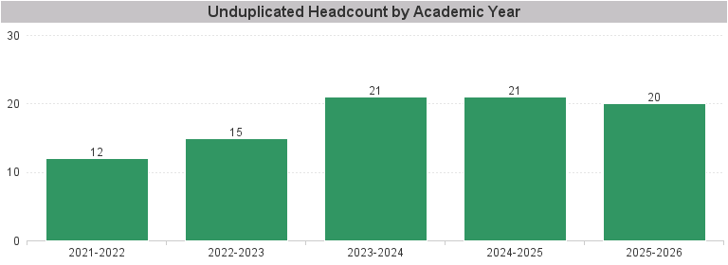

Unduplicated Headcount by Academic Year | Summer | Fall | Spring | Total
2021-2022 | 2 | 7 | 9 | 12
2022-2023 | 4 | 10 | 8 | 15
2023-2024 | 7 | 15 | 13 | 21
2024-2025 | 4 | 16 | 16 | 21
2025-2026 | 2 | 14 | 15 | 20

