Headcount
CPR Program of Study Report
CAÑADA: SPANISH
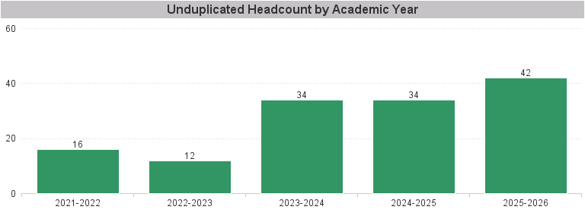

Unduplicated Headcount by Academic Year | Summer | Fall | Spring | Total
2021-2022 | 5 | 11 | 10 | 16
2022-2023 | 2 | 8 | 9 | 12
2023-2024 | 3 | 24 | 21 | 34
2024-2025 | 4 | 23 | 23 | 34
2025-2026 | 5 | 26 | 24 | 42

