Headcount
CPR Program of Study Report
CAÑADA: PARALEGAL
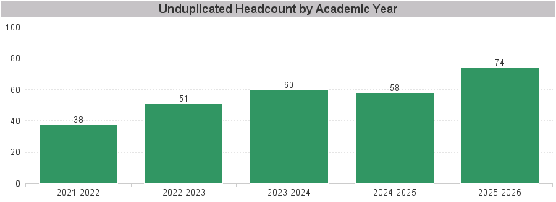

Unduplicated Headcount by Academic Year | Summer | Fall | Spring | Total
2021-2022 | 16 | 23 | 24 | 38
2022-2023 | 13 | 26 | 33 | 51
2023-2024 | 15 | 42 | 39 | 60
2024-2025 | 24 | 45 | 39 | 58
2025-2026 | 25 | 49 | 50 | 74

