Headcount
CPR Program of Study Report
CAÑADA: MUSIC
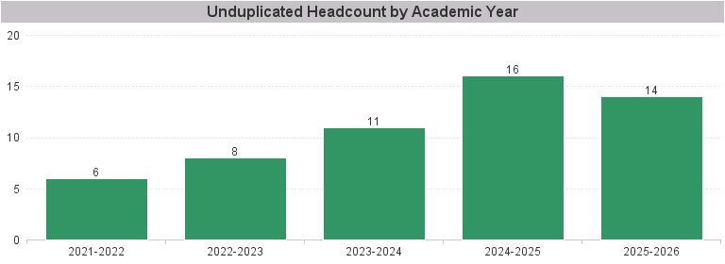

Unduplicated Headcount by Academic Year | Summer | Fall | Spring | Total
2021-2022 | 2 | 4 | 4 | 6
2022-2023 | 1 | 4 | 6 | 8
2023-2024 | 2 | 4 | 7 | 11
2024-2025 | 1 | 12 | 9 | 16
2025-2026 | 1 | 9 | 10 | 14

