Headcount
CPR Program of Study Report
CAÑADA: KINESIOLOGY, ATHLETICS & DANCE
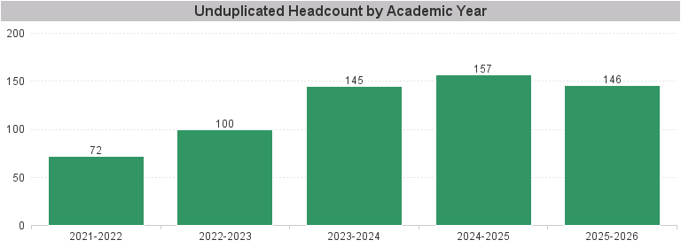

Unduplicated Headcount by Academic Year | Summer | Fall | Spring | Total
2021-2022 | 26 | 43 | 49 | 72
2022-2023 | 32 | 70 | 72 | 100
2023-2024 | 39 | 99 | 101 | 145
2024-2025 | 54 | 101 | 102 | 157
2025-2026 | 44 | 100 | 100 | 146

