Headcount
CPR Program of Study Report
CAÑADA: ETHNIC STUDIES
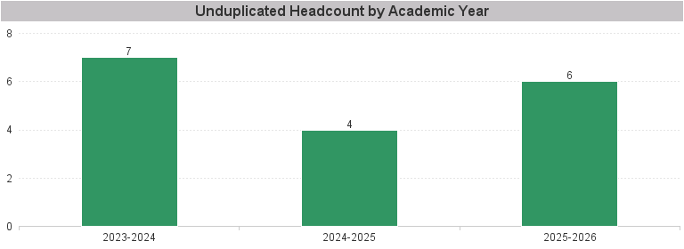

Unduplicated Headcount by Academic Year | Summer | Fall | Spring | Total
2023-2024 | 1 | 4 | 3 | 7
2024-2025 |  | 2 | 2 | 4
2025-2026 | 1 | 3 | 3 | 6

