Headcount
CPR Program of Study Report
CAÑADA: ENGLISH
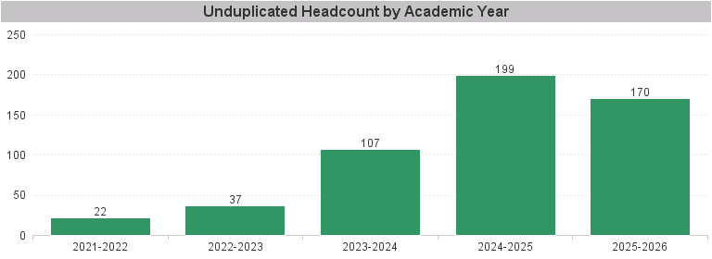

Unduplicated Headcount by Academic Year | Summer | Fall | Spring | Total
2021-2022 | 5 | 13 | 14 | 22
2022-2023 | 7 | 19 | 27 | 37
2023-2024 | 11 | 46 | 86 | 107
2024-2025 | 31 | 141 | 121 | 199
2025-2026 | 33 | 131 | 107 | 170

