Headcount
CPR Program of Study Report
CAÑADA: COMPUTER BUSINESS OFFICE TECHNOLOGY
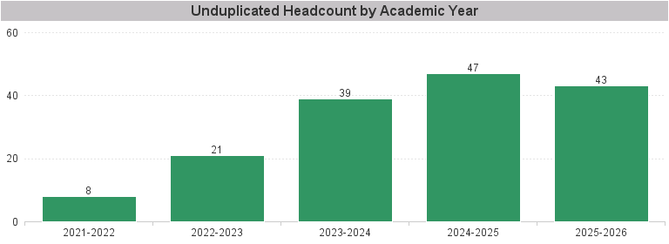

Unduplicated Headcount by Academic Year | Summer | Fall | Spring | Total
2021-2022 | 4 | 3 | 5 | 8
2022-2023 | 6 | 12 | 15 | 21
2023-2024 | 7 | 27 | 25 | 39
2024-2025 | 11 | 26 | 31 | 47
2025-2026 | 15 | 34 | 22 | 43

