Headcount
CPR Program of Study Report
CAÑADA: BUSINESS, BUSINESS ADMINISTRATION, BUSINESS ADMINISTRATION/MANAGEMENT, BUSINESS MANAGEMENT
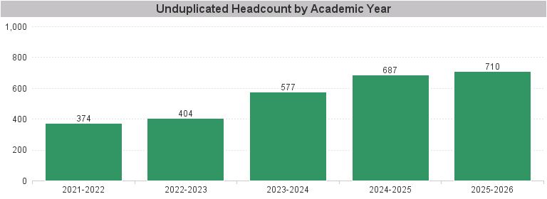

Unduplicated Headcount by Academic Year | Summer | Fall | Spring | Total
2021-2022 | 141 | 231 | 211 | 374
2022-2023 | 86 | 270 | 283 | 404
2023-2024 | 115 | 391 | 378 | 577
2024-2025 | 175 | 484 | 454 | 687
2025-2026 | 222 | 522 | 481 | 710

