Headcount
CPR Program of Study Report
CAÑADA: ART
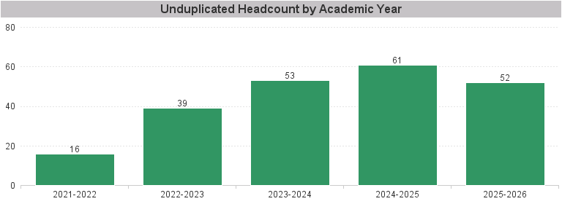

Unduplicated Headcount by Academic Year | Summer | Fall | Spring | Total
2021-2022 | 6 | 10 | 9 | 16
2022-2023 | 2 | 22 | 31 | 39
2023-2024 | 12 | 33 | 31 | 53
2024-2025 | 14 | 39 | 41 | 61
2025-2026 | 18 | 38 | 37 | 52

