Headcount
CPR Program of Study Report
CAÑADA: ACCOUNTING
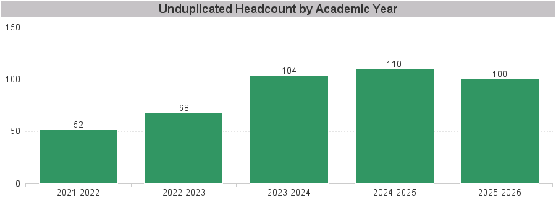

Unduplicated Headcount by Academic Year | Summer | Fall | Spring | Total
2021-2022 | 20 | 22 | 29 | 52
2022-2023 | 10 | 37 | 52 | 68
2023-2024 | 23 | 53 | 76 | 104
2024-2025 | 33 | 72 | 73 | 110
2025-2026 | 27 | 71 | 72 | 100

